Sheet1
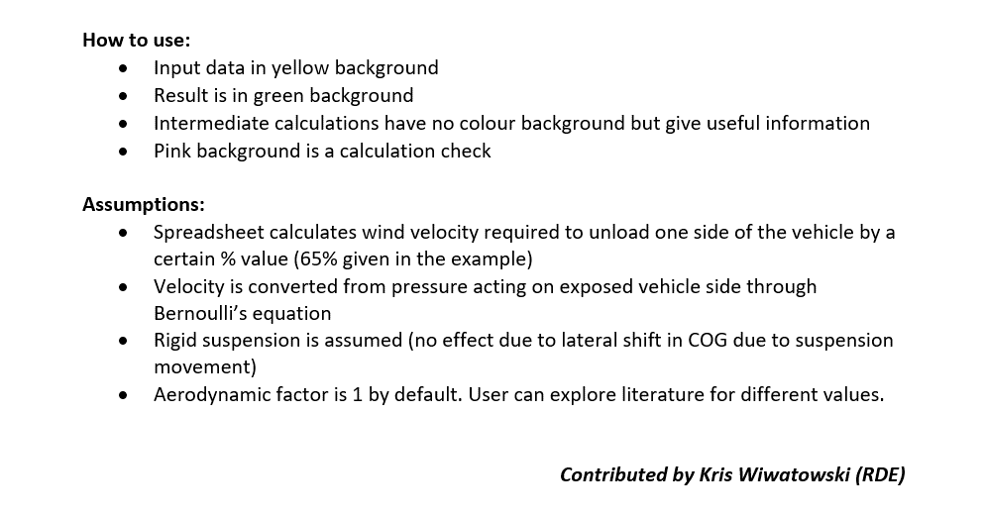
Wheel reaction due to overturning wind
No allowance for suspension movement (rigid suspension)

Input data:
Total vehicle mass |  | Mv | 34240 | kg
Wind exposed body side height |  | H | 2.821 | m | intermediate calc
Wind exposed body side length |  | L | 22.9 | m
Bottom Clearance |  | BotClear | 0.865 | m
Roof height |  | Hroof | 3.686 | m
Centre of pressure a.r.l. |  | Hp | 2.2755 | m | intermediate calc
Wheel centre lateral spacing |  | WhlCnt | 1.5 | m
Wheel unloading |  | UnLoad | 65 | % | assumed by user
Gravity constant |  | Gravity | 9.8 | m/s/s
Air density |  | Density | 1.194 | kg/m^3
Aerodynamic Factor |  | Ad | 1 | - | 1 is default value

Calculations:
Side load |  | SideLd | 167776 | N |  | check
Required Wheel unoalding reaction |  | dQ | 109054 | N |  | 65 | calc check should confirm user assumed wheel unloading
Required wind overturning force |  | Fwind | 71888 | N |  | 0 | calc check reaction balance should come as ZERO
Wind pressure area |  | Area | 65 | m^2
Wind pressure |  | Pressure | 1113 | Pa |  |  | Paramters for users to fill in
Wind velocity |  | Velocity | 43 | m/s |  |  | Yellow means Fixed value
 |  |  | 155.426 | kph |  |  | Calculated Value

 |  |  |  |  |  |  | Wind Force Fw = pA

Hroof | H

 |  |  |  |  |  |  |  | Hp

 | BotClear

 |  | dQ |  |  | dQ

 |  |  | WhlCnt

